1. Title Page
[Instacart Data Analysis]

Project Name: Instacart Data Analysis
Date: October 26, 2022
Analyst Name: Austin Crehan

Contents:
Population Flow
Consistency checks
Wrangling steps
Column derivations
Visualizations
Recommendations

“The Instacart Online Grocery Shopping Dataset 2017”, Accessed from https://www.instacart.com/datasets/grocery-shopping-2017 on September 1st, 2022.

2. Population Flow
Title page

Population flow

Exclusion flag
Condition: max_order <
Obervations to be removed:
Final total count of order_products_all:

Orders_products_combined
Orders_products_merged
Orders_products_all

Total: 32,404,859
Total: 32,434,489
Total: 32,404,859

1.) The grey boxes in the first row of the population flow represent the original data sets as they were when you downloaded them. In the Total fields you need to add the count of the rows when you imported the data set into Jupyter.
2.) The second row of boxes (coloured) represents the data sets after you manipulated them, e.g., removed missing values and duplicates. In the Total fields you need to add the count of the rows after conducting these operations. This offers a visual oveview of how the data flows throughout the data consistency checks.
3.) The third row, where also the arrows are coloured, represents the merges you performed between the datasets. In the Total fields you need to add the count of the rows in the merged datasets, so that you end up with the final dataset (in the red box). Keep in mind the final dataset should be without exclusions (based on the exclusion flag).

3. Consistency checks
 |  |  |  | Title page
Consistency checks

Dataset | Missing values | Missing values treatment | Duplicates
orders | 206,209 missing days_since_prior_order | likely first time customers -- assigned missing values 0 for first time customers | Removed duplicates
products | 16 missing product_name | missing product name, not something we could impute -- dropped missing values | No duplicates
orders_products_prior | No missing values | N/A | No duplicates
customers | No missing values | N/A | No duplicates

4. Wrangling steps
 |  |  |  | Title page
Wrangling steps

Columns dropped | Columns renamed | Columns' type changed | Comment/Reason
First Name |  |  | Drop PII
Surname |  |  | Drop PII
 |  | Reduced all float and int data types | Reduce memory usage

5. Column derivations
 |  |  |  | Title page

Column derivations and aggregations

In this tab you should add tables below that the frequences of flags/label variables that you produced after deriving them. NB: don't do this for continuous variables, only for flags.
Dataset | New column | Column/s it was derived from | Conditions
ords_prods_cust_merge_no_PII | region | state | Assign region based on state
ords_prods_cust_merge_no_PII | activity_flag | activity_level | Assign activity flag based on activity level
ords_prods_cust_merge_no_PII | familial_status | married and n_dependants | Assign familial status based on marital status and number of dependents

6. Visualizations
 | Title page

Visualisations

In this tab you should include all the visualtions from Exercises 4.9 and 4.10, alongside the questions from the project brief that they answer. Include any commentary on the relationship between different variables.

Provide Instacart senior stakeholers insight into orders by day
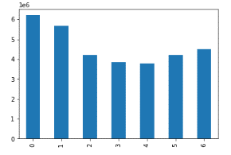

Weekends are the busiest peaking on Saturdays while mid-week is the slowest bottoming on Tuesday and Wednesday

Marketing and sales are considering using simpler price range groupings -- show the current price range groupings


Price range groupings using 70 different prices

Marketing and sales are considering using simpler price range groupings -- show the potential price range groupings
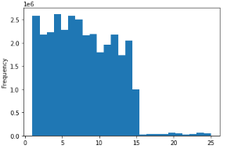

Price range groupings using 25 different prices

Provide Instacart senior stakeholers insight into orders by hour
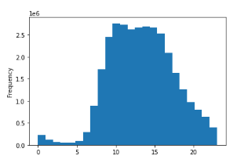

Orders peak around 8 AM and continue until 4 PM

Provide the marketing team with insight regarding distribution of orders among customers in terms of loyalty
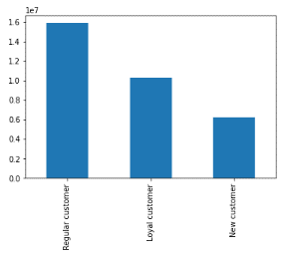

Regular customers account for 1.6x as many orders as loyal customers and 2.5x as many orders as new customers

Show whether there's a difference in prices depending on the hour of day
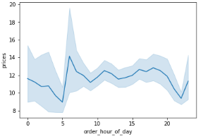

Prices bottom at 5 AM before peaking at 6 AM

Conduct exploratory analysis of customer demographics to inform targetted marketing campaings
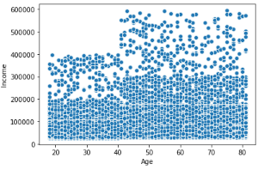

No real pattern amongst lower income customers -- high income customers tend to be older

Determine whether there's a difference in spending habits between regions
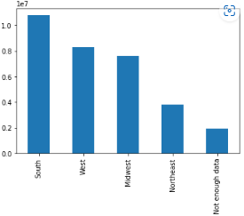

South spends 1.2x more than West and Midwest and almost 3x more than Northeast

Show distribution of customer familial status
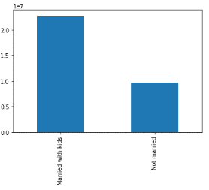

Families account for over 2x as many customers than single people

Show shopping frequency by familial status
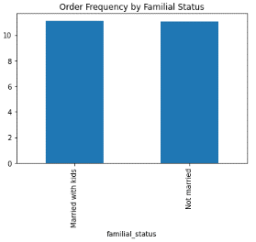

Single customers shop slightly more often than family customers

Show spending by familial status
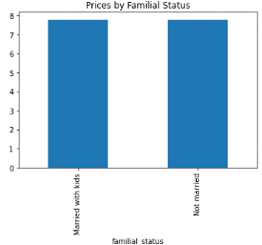

Single customers spend slightly more money per order than family customers

Provide the marketing and sales team insight into which departments have the most orders
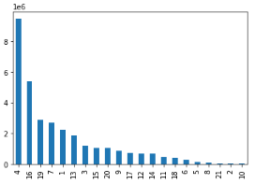

Produce is by far the most frequently ordered department with Dairy being a distant second

7. Recommendations
 |  |  | Title page

Recommendations

In this tab you should include any recommendations you would made to Instcart in terms of their marketing strategy based on the questions posed in the brief. Every key question has been covered in the Tasks of the Exercises - here you need to add an item - a visualisation or table/crosstable that is showing the answer in the data, acompanied by a comment from you. Please, list the questions below and add the answer underneath.

Question | Answer
The sales team needs to know what the busiest days of the week and hours of the day are (i.e., the days and times with the most orders) in order to schedule ads at times when there are fewer orders. | Weekends are the busiest peaking on Saturdays while mid-week is the slowest bottoming on Tuesday and Wednesday (see Visualization 1) and orders peak around 8 AM and continue until 4 PM (see Visualization 2).
They also want to know whether there are particular times of the day when people spend the most money, as this might inform the type of products they advertise at these times. | Prices bottom at 5 AM before peaking at 6 AM (see visualization 3).
Instacart has a lot of products with different price tags. Marketing and sales want to use simpler price range groupings to help direct their efforts. | Reducing the number of prices from 70 to 25 will result in an easy experience for the customer and will be more simple for the marketing and sales departments (see Visualizations 4 and 5).
Are there certain types of products that are more popular than others? The marketing and sales teams want to know which departments have the highest frequency of product orders. | Produce is by far the most frequently ordered department with Dairy being a distant second (see Visualization 6).
The marketing and sales teams are particularly interested in the different types of customers in their system and how their ordering behaviors differ. _ | South spends 1.2x more than West and Midwest and almost 3x more than Northeast (see Visualization 7). Regular customers account for 1.6x as many orders as loyal customers and 2.5x as many orders as new customers (see Visualization 8). Families account for over 2x as many customers than single people (see Visualization 9) but single customers shop slightly more often (see Visualization 10) and spend slightly more per transaction (see Visualization 11).

 | Visualization 1 | Visualization 2

 | Visualization 3

 | Visualization 4 | Visualization 5

 | Visualization 6

 | Visualization 7 | Visualization 8

 | Visualization 9 | Visualization 10

 | Visualization 11

